Revised_Yashvardhan
TS Plot
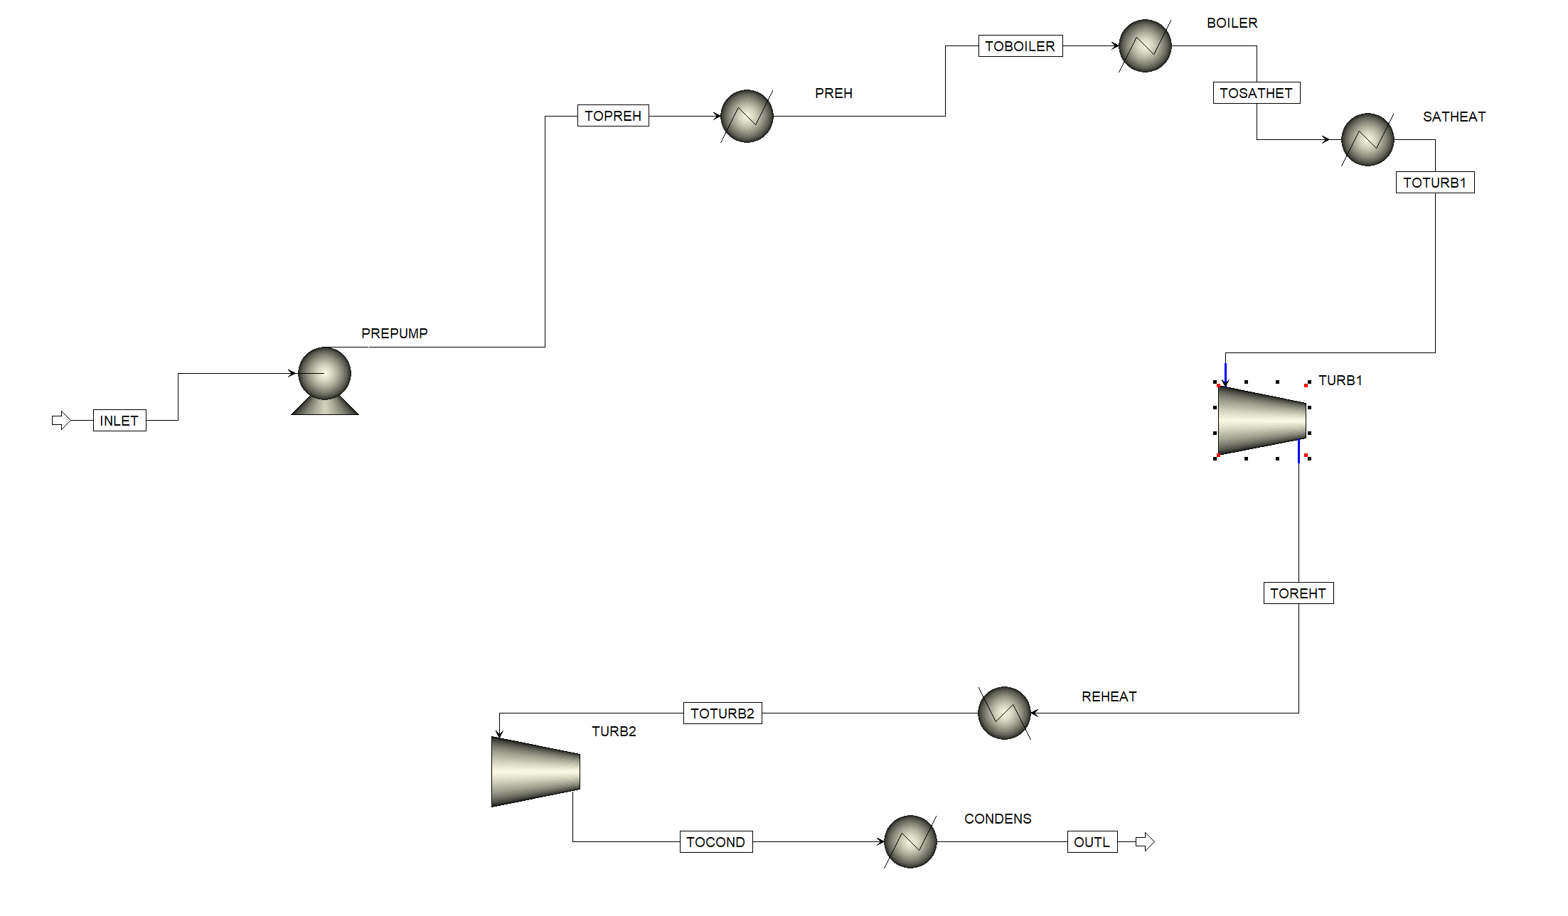
TEMP | LIQUID S WATER | VAPOR S WATER |  | Pressure 2.32 - 75 Bar |  | S | T
C | J/kmol-K | J/kmol-K |  | 125 | -141360 | -141360 | 124.9667
124.9667 | -141360 | -42346.54 |  | 125.64 | -141354.57634 | -126700 | 206.8764
206.8764 | -126700 | -54924.36 | -45284.842331 |  |  | -121160 | 240.0668
240.0668 | -121160 | -59200.57 |  |  |  | -117410 | 262.8115
262.8115 | -117410 | -62085.65 |  | Preheater |  | -113200 | 288.2078
288.2078 | -113200 | -65414.61 |  | 125.64 | -141354.57634 | -108420 | 316.0321
316.0321 | -108420 | -69455.78 |  | 290.53 | -112808.4892 | -106920 | 324.3221
324.3221 | -106920 | -70812.73 |  |  |  | -105490 | 331.9616
331.9616 | -105490 | -72163.12 |  | Boiler |  | -104100 | 339.05
339.05 | -104100 | -73531.42 |  | 290.53 | -112808.4892 | -102730 | 345.6629
345.6629 | -102730 | -74945 |  | 290.53 | -65731.153534 | -101350 | 351.859
351.859 | -101350 | -76439.41 |  |  |  | -99915.15 | 357.6848
357.6848 | -99915.15 | -78069.35 |  | Postheater |  | -98350.7 | 363.1767
363.1767 | -98350.7 | -79938.38 |  | 290.53 | -65731.153534 | -96522.57 | 368.3582
368.3582 | -96522.57 | -82318.28 |  | 550 | -45284.842331 | -93330.71 | 373.2337
373.2337 | -93330.71 | -86786.25 |  |  |  | -42346.54 | 124.9667
 |  |  |  | Turb1 |  | -54924.36 | 206.8764
 |  |  |  | 550 | -45284.842408 | -59200.57 | 240.0668
 |  |  |  | 144.10299487 | -45284.842408 | -62085.65 | 262.8115
 |  |  |  |  |  | -65414.61 | 288.2078
 |  |  |  |  |  | -69455.78 | 316.0321
 |  |  |  | Reheat |  | -70812.73 | 324.3221
 |  |  |  | 144.10299487 | -45284.842408 | -72163.12 | 331.9616
 |  |  |  | 176.08 | -42345.830863 | -73531.42 | 339.05
 |  |  |  |  |  | -74945 | 345.6629
 |  |  |  | Turb2 |  | -76439.41 | 351.859
 |  |  |  | 176.08 | -42345.830863 | -78069.35 | 357.6848
 |  |  |  | 124.97379832 | -42345.830654 | -79938.38 | 363.1767
 |  |  |  |  |  | -82318.28 | 368.3582
 |  |  |  | Cond |  | -86786.25 | 373.2337
 |  |  |  | 124.97379832 | -42345.830654
 |  |  |  | 125 | -141355.16642

1st_Attempt
TEMP | LIQUID S WATER | VAPOR S WATER | S | T
C | J/kmol-K | J/kmol-K | -141360 | 124.9667
124.9667 | -141360 | -42346.54 | -126700 | 206.8764
206.8764 | -126700 | -54924.36 | -121160 | 240.0668
240.0668 | -121160 | -59200.57 | -117410 | 262.8115
262.8115 | -117410 | -62085.65 | -113200 | 288.2078
288.2078 | -113200 | -65414.61 | -108420 | 316.0321
316.0321 | -108420 | -69455.78 | -106920 | 324.3221
324.3221 | -106920 | -70812.73 | -105490 | 331.9616
T-s Plot
331.9616 | -105490 | -72163.12 | -104100 | 339.05
339.05 | -104100 | -73531.42 | -102730 | 345.6629
345.6629 | -102730 | -74945 | -101350 | 351.859
351.859 | -101350 | -76439.41 | -99915.15 | 357.6848
357.6848 | -99915.15 | -78069.35 | -98350.7 | 363.1767
363.1767 | -98350.7 | -79938.38 | -96522.57 | 368.3582
368.3582 | -96522.57 | -82318.28 | -93330.71 | 373.2337
373.2337 | -93330.71 | -86786.25 | -42346.54 | 124.9667
 |  |  | -54924.36 | 206.8764
 |  |  | -59200.57 | 240.0668
 |  |  | -62085.65 | 262.8115
 |  |  | -65414.61 | 288.2078
 |  |  | -69455.78 | 316.0321
 |  |  | -70812.73 | 324.3221
 |  |  | -72163.12 | 331.9616
 |  |  | -73531.42 | 339.05
 |  |  | -74945 | 345.6629
 |  |  | -76439.41 | 351.859
 |  |  | -78069.35 | 357.6848
 |  |  | -79938.38 | 363.1767
 |  |  | -82318.28 | 368.3582
 |  |  | -86786.25 | 373.2337

